Pivot Table
Average of Income | Column Labels
Row Labels | No | Yes | Grand Total
Female | 53440 | 55774.058577 | 54580.777096
Male | 56208.178439 | 60123.966942 | 58062.622309
Grand Total | 54874.759152 | 57962.577963 | 56360

Count of Purchased Bike | Column Labels
Row Labels | No | Yes | Grand Total
Adolescent | 67 | 56 | 123
Middle Age | 348 | 343 | 691
Old | 104 | 82 | 186
Grand Total | 519 | 481 | 1000

Count of Purchased Bike | Column Labels
Row Labels | No | Yes | Grand Total
0-1 Miles | 166 | 200 | 366
1-2 Miles | 92 | 77 | 169
2-5 Miles | 67 | 95 | 162
5-10 Miles | 116 | 76 | 192
More than 10 miles | 78 | 33 | 111
Grand Total | 519 | 481 | 1000

Dashboard
Bikes Sales Dashboard
 | No | Yes
Female | 53440 | 55774.058577
Male | 56208.178439 | 60123.966942
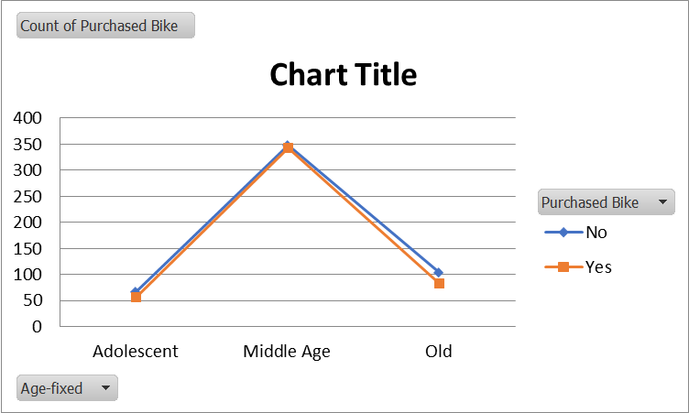

 | No | Yes
0-1 Miles | 166 | 200
1-2 Miles | 92 | 77
2-5 Miles | 67 | 95
5-10 Miles | 116 | 76
More than 10 miles | 78 | 33

